Sheet1
 | Document No. |  | Issue No. | Issue Date |  |  | Review and Replace Date |  | Authorised By
 | GFF395MC |  | 1 | 14.08.2023 |  |  | New Issue |  | Magda Shah
 | Document Title |  | Butter Chicken with Pilau Rice 400g

Document amendments reason for change | New Launch |  |  | Page 1 of 1 |  | Previous Issue Date |  | New Issue | Uncontrolled copy unless signed original

CCBUR-R4TCC(N) |  | GAZEBO CUISINE |  |  | Butter Chicken with Pilau Rice 400g
STEP 1 |  |  |  |  | STEP 2
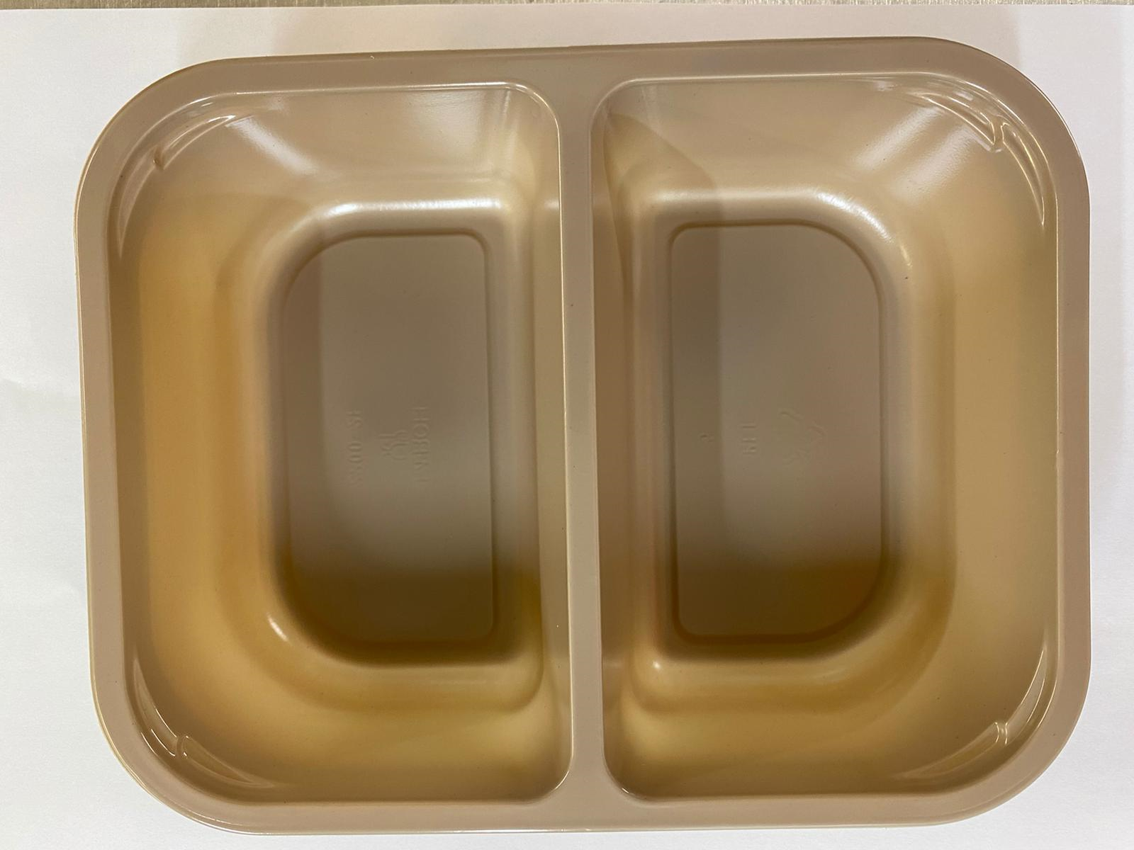 |  |  |  |  | 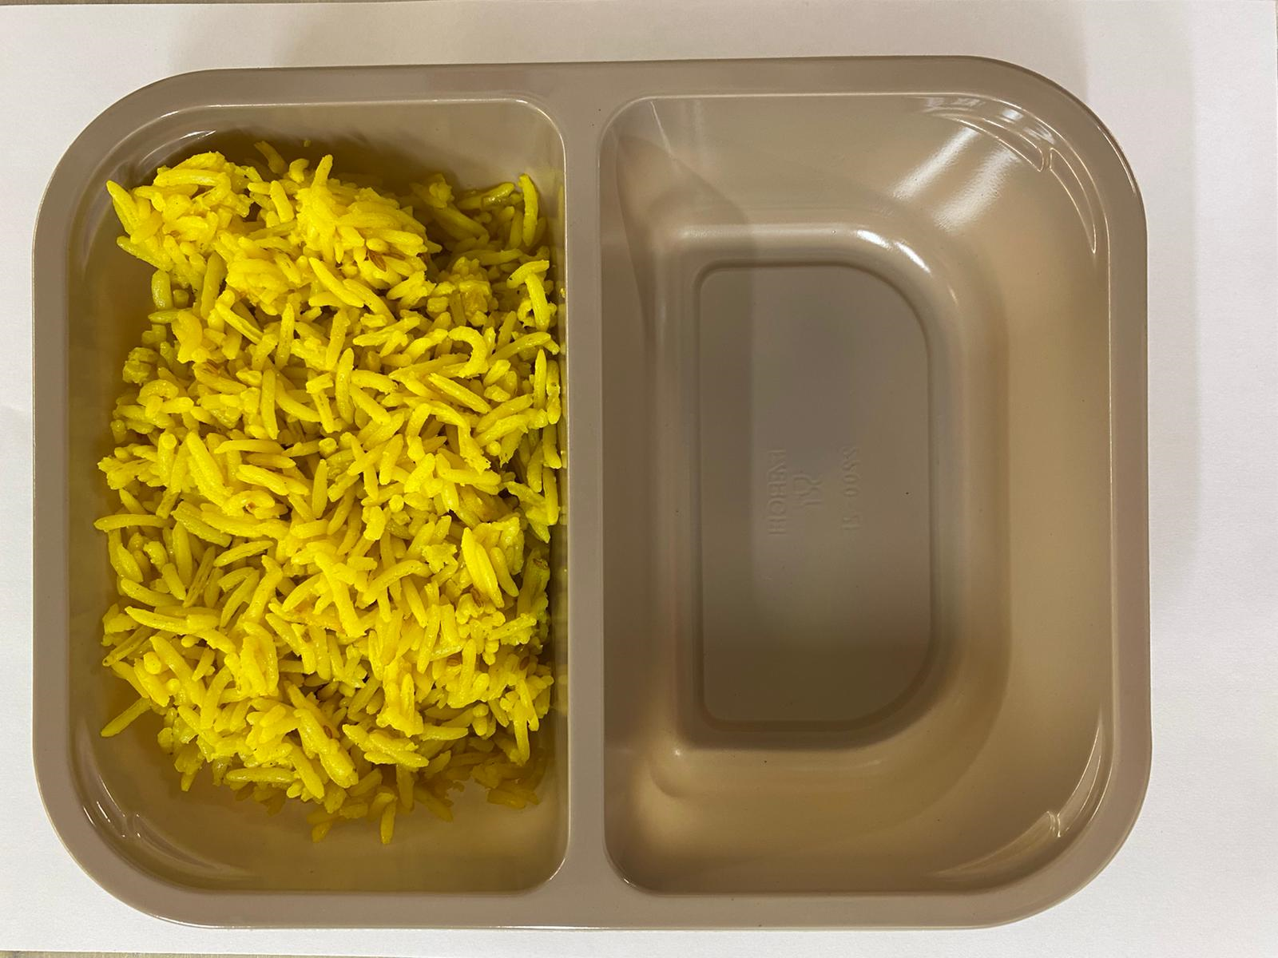

Tray: Evolve CPET 2200-2F (PKRHP001-10) |  |  |  |  | Pilau Rice (GFF143R): 180g

Film: K peel 7G+25A/f- 275mm (275 mmX1000)(PKKMP001-03)

Chicken to be brought into H/R on day of packing
STEP 3 |  |  |  |  | STEP 4
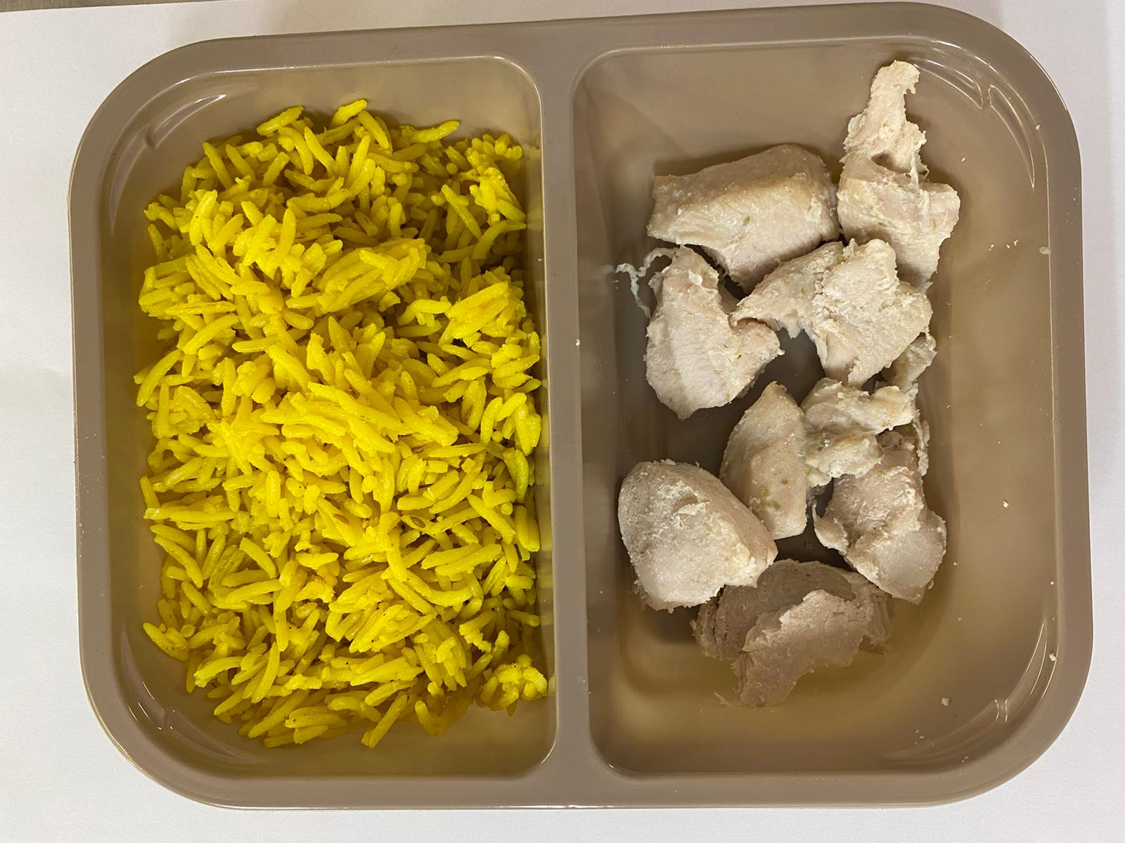 |  |  |  |  | 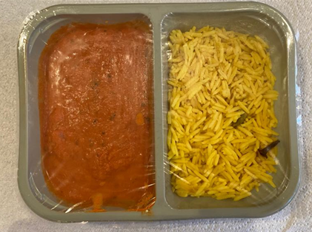

20-25mm Steam Cooked Diced Chicken (RMVES001-01): 60g |  |  |  |  | Butter Sauce (GFF134R): 160g |  |  |  |  | TOTAL WEIGHT: 400g

ALLERGY ALERT: MILK, BARLEY

